Sheet1
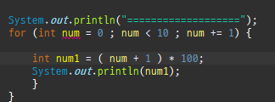
num | num+1 | num1
0 | 1 | 100
1 | 2 | 200
2 | 3 | 300
3 | 4 | 400
4 | 5 | 500
5 | 6 | 600
6 | 7 | 700

